Water
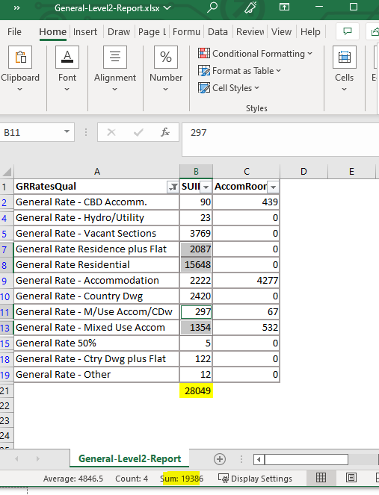
National Performance Review 2020/2021
Water Supply |  | Queenstown-Lakes

Headings | Code | Measure | Units | 2019/20 Data | Data | Data Confidence | Data Source | Reporter Name | Comments
Background | WSB1a | Water Serviced Population | Number | 55063 | 43116 | Calc
Background | WSB1b | Water Supply Service Coverage | % |  | 90.96% | Calc
Background | WSB2 | Water Serviced Properties: Residential | Number | 24632 | 25582 | Reliable | Rates | Elliot | From DIA RfI - year end connections
Background | WSB3 | Water Serviced Properties: Non-Residential | Number | 1975 | 2251 | Reliable | Rates | Elliot | From DIA RfI - year end connections
Background | WSB4 | Total Water Serviced Properties | Number | 26607 | 27833 | Calc
Background | WSB5 | Water Supplied to Own System | m3/year | 11901168.26 | 12251029 | Reliable | DIA Reporting SCADA Veolia and Fulton Hogan | Andrew/Simon
 | WSB5a | Water imported from other authorities | m3/year | 0 | 0 | Reliable |  | Andrew/Simon
 | WSB5b | Water exported to other authorities | m3/year | 0 | 0 | Reliable |  | Andrew/Simon
Background | WSB6 | Authorised Consumption | m3/year | 7735759.369 | 8208189.43 | Less Reliable | DIA Reporting | Vaughn | Assumed 67% of total, leakage measured at 31% and assumed 2 % for unauthorised
Background | WSB7 | Non-residential Water Consumption | m3/year | 1547152 | 2450206 | Less Reliable | Estimate | Vaughn | Assumed 20% of authorised, does not include accomodation use
Background | WSB8 | Average Daily Residential Water Consumption | L/person/day | 319.64 | 384.35483003 | Calc
Background | WSB9 | Water Demand Forecasting | Selection | No | Yes |  | Demand Forecasts | Vaughn | Multiple issues identified, reflected in LTP and/or 30 Strat
Pipelines | WSA1a | Length of Water Supply Network | km | 681.373 | 701.338 | Reliable | GIS | Vaughn
Pipelines | WSA1b | Length of water mains renewed using internal CAPEX | km | 0.898 | 0.26 | Reliable | GIS | Andrew/Marcus
Pipelines | WSA1c | Length of new water mains constructed using internal CAPEX | km | 6.431 | 0.04 | Reliable | GIS | Andrew/Marcus/PMO
Pipelines | WSA2a | Condition grade 1: Water pipelines | % | 57.76% |  |  |  |  | Staffing and systems issues - not reported this year
Pipelines | WSA2b | Condition grade 2: Water pipelines | % | 14.01% |  |  |  |  | Staffing and systems issues - not reported this year
Pipelines | WSA2c | Condition grade 3: Water pipelines | % | 11.22% |  |  |  |  | Staffing and systems issues - not reported this year
Pipelines | WSA2d | Condition grade 4: Water pipelines | % | 9.12% |  |  |  |  | Staffing and systems issues - not reported this year
Pipelines | WSA2e | Condition grade 5: Water pipelines | % | 1.28% |  |  |  |  | Staffing and systems issues - not reported this year
Pipelines | WSA2f | Not assessed: Water pipelines | % | 6.61% |  |  |  |  | Staffing and systems issues - not reported this year
Pipelines | WSA2g | Pipeline Condition Assessment Approach | Selection | Informal | Informal |  |  |  | Staffing and systems issues - not reported this year
Pipelines | WSA3 | Average Age of Water Pipelines | years | 17.6 | 19.3 | Reliable | GIS | Vaughn
Other assets | WSA4 | Water Treatment Plants | Number | 12 | 12 | Reliable | GIS | Karelia
Other assets | WSA4a | Water Treatment Plant Standby Generators | Number | 5 | 5 | Reliable | Techone | Karelia
Other assets | WSA5 | Water Pump Stations | Number | 33 | 33 | Reliable | GIS | Karelia
Other assets | WSA5a | Water Pump Stations Standby Generators | Number | 11 | 11 | Reliable | TechOne | Karelia
Other assets | WSA6 | Water Supply Reservoirs | Number | 47 | 47 | Reliable | GIS | Karelia | This number includes private tanks
Other assets | WSA7 | Water Stored in Reservoirs | m3 | 26823.6 | 26823.6 | Reliable | SCADA | Andrew/Simon | Based on previous values and double check on SCADA system
Other assets | WSA8 | Capacity of Water Storage Reservoirs | m3 | 29804 | 29804 | Less Reliable | SCADA | Andrew/Simon | Based on previous values and double check on SCADA system
Other assets | WSA9a | Properties with Water Meters - Residential | Number | 636 | 960 | Less Reliable | GIS | Vaughn
Other assets | WSA9b | Properties with Water Meters - Non-Residential | Number | 67 | 71 | Less Reliable | GIS | Vaughn
Other assets | WSA10 | Properties with Water Restrictors | Number | 39 | 39 | Less Reliable |  | Vaughn | Based on previous year value
Other assets | WSA11 | Water Treatment Sludge Production | tDS/year |  | 0
Other assets | WSA13a | Above ground asset condition assessment programme | Yes/No | No | No |  | Veolia | Vaughn
Other assets | WSA13b | Protocol used for above ground condition assessments | Selection | Visual Assesment Manual for Utility Assets | Informal |  | Veolia | Vaughn
Other assets | WSA13c | Percent of above ground assets assessed within 3 years | % | 50.00% | 50.00% |  | Veolia | Vaughn
Water loss | WSE1a | Estimated total network water loss | m3/year | 3929919.54 | 3752138.39 | Less Reliable | Nightflow Assessment 2021 | Vaughn
Water loss | WSE1b | Percentage Estimated Total Network Water Loss | % | 33.02% | 30.63% | Calc
Water loss | WSE1c | CARL (current annual real loss) | m3/year | 3929919.54 | 3752138.39 | Less Reliable | Nightflow Assessment 2021 | Vaughn
Water loss | WSE1d | CARL (current annual real loss) | L/connection/day | 607 | 553 | Less Reliable | Nightflow Assessment 2021 | Vaughn
Water loss | WSE1e | CARL (current annual real loss) | m3/km mains/day | 18.3026861 | 16.861525248 | Less Reliable | Nightflow Assessment 2021 | Vaughn
Water loss | WSE1f | UARL (unavoidable annual real loss) | m3/year | 311159.33564 | 326112.32876 | Less Reliable | Nightflow Assessment 2021 | Vaughn
Water loss | WSE1g | UARL (unavoidable annual real loss) | L/connection/day | 48.035799319 | 48.035399729 | Less Reliable | Nightflow Assessment 2021 | Vaughn
Water loss | WSE1h | ILI ( infrastructure leakage index (=CARL/UARL) | non-dimensional | 12.636408858 | 11.512343045 | Less Reliable | Nightflow Assessment 2021 | Vaughn
Water loss | WSE2 | Average system pressure | m | 60 | 60 | Less Reliable | Calibrated Model | Vaughn
Energy use | WSE3 | Energy Consumption: Water Supply | GJ/year |  |  |  |  |  | can we get this from the power bills?
Energy use | WSE3a | Energy Intensity: Water Supply | GJ/m3 |  | 0.0000 | Calc
Energy use | WSE4 | Energy Generation: Water Supply | GJ/year | 0 | 0
Outages | WSS1 | Unplanned Total Interruptions: Water Supply | Number/year | 117 | 133 | Reliable |  | Andrew/Simon | FH to come
Outages | WSS2 | Unplanned Interruption Frequency: Water Supply | Number/1000 prop | 4.3973390461 | 4.7785 | Calc
Outages | WSS3 | Planned Interruptions: Water Supply | Number/year | 10 | 47 | Reliable |  | Andrew/Simon | FH to come
Outages | WSS4 | Third Party Incidents: Water Supply | Number/year | 7 | 50 | Reliable |  | Andrew/Simon | FH to come
Complaints | WSS5 | Water Supply Complaints | Number | 142 | 196 | Calc |  | Andrew/Simon
Complaints | WSS5a | Drinking water clarity complaints | Number | 24 | 41 | Reliable |  | Andrew/Simon
Complaints | WSS5b | Drinking water taste complaints | Number | 5 | 5 | Reliable |  | Andrew/Simon
Complaints | WSS5c | Drinking water odour complaints | Number | 3 | 2 | Reliable |  | Andrew/Simon
Complaints | WSS5d | Drinking water pressure or flow complaints | Number | 53 | 75 | Reliable |  | Andrew/Simon
Complaints | WSS5e | Continuity of water supply complaints | Number | 57 | 72 | Reliable |  | Andrew/Simon
 | WSS5f | The authorities response to any of these issues | Number |  | 1 | Reliable |  | Andrew/Simon
Complaints | WSS6 | Water Supply Complaints Frequency | Number/1000 prop | 5.3369414064 | 7.0420 | Calc
Charges | WSS7 | Number of different water charging regimes | Number
Charges | WSS7a | Fixed Charge: Non-residential water | $ | 887.05170514 | $839.82 |  | Median Rates tab per Stew B | Gus / Vaughn
Charges | WSS7b | Fixed Charge Type: Non-residential water | Selection | Targeted Rate | Targeted Rate |  |  | Gus / Vaughn
Charges | WSS7c | Volumetric Charge: Non-residential water | $/m3
Charges | WSS8a | Fixed Charge: Residential water | $ | 498.81162652 | $481.79 |  | Median Rates tab per Stew B | Gus / Vaughn
Charges | WSS8b | Fixed Charge Type: Residential water | Selection | Targeted Rate | Targeted Rate |  |  | Gus / Vaughn
Charges | WSS8c | Volumetric Charge: Residential water | $/m3
Charges | WSS9 | Average Residential Water Charge Based on 200 m3/yr | $/200m3 | 498.81162652 |  | Calc
Response times | WSS10a | Attendance for urgent water supply fault call-outs | hrs | 0.4 | 0.4 |  |  | Andrew/Simon
Response times | WSS10b | Resolution for urgent water supply fault call-outs | hrs | 6.8 | 6.8 |  |  | Andrew/Simon
Response times | WSS10c | Attendance for non-urgent water supply fault call-outs | hrs | 18.4 | 10.8 |  |  | Andrew/Simon
Response times | WSS10d | Resolution for non-urgent water supply fault call-outs | hrs | 53.1 | 42.9 |  |  | Andrew/Simon
Restrictions | WSS11 | Water restriction days | Properties*days | 0 | 0
Fire fighting | WSS12a | Fire hydrants tested in the previous five years | % | 0.00020666 | 0.00% | Uncertain |  | Andrew/Simon | 83 tested last year - stats for prior years not available
Fire fighting | WSS12b | Non-compliant fire hydrants | Number |  | 0 | Reliable |  | Andrew/Simon
Revenue | WSF1 | Revenue from Supply of Water to Other Local Authorities | $ |  | $0 | Reliable | N/a | Andrew S
Revenue | WSF2 | Operating Revenue: Water Supply | $ | $9,672,938 | $9,647,696 | Reliable | P&L / TechOne | Gus / Vaughn
Revenue | WSF3 | Development Contribution Revenue: Water Supply | $ | $3,922,339 | $4,562,106 | Reliable | P&L / TechOne | Gus / Vaughn
Revenue | WSF4 | Total Revenue: Water Supply | $ | $13,595,277 | $14,209,802 | Calc
Revenue | WSF5 | Revenue per Property: Water Supply | $/property | $511 | $511 | Calc
Revenue | WSF6 | Debt funding: Water Supply | $ | $1,321,690 | $1,292,515 | Reliable |  | Stew / Vaughn
Expenditure | WSF7 | Energy Costs: Water Supply | $ | $983,747 | $961,100 | Reliable | Techone | Andrew/Simon | Finance team
Expenditure | WSF8 | Chemicals and Consumables: Water Supply | $ |  |  |  |  |  | Not readily identifiable
Expenditure | WSF9a | Routine maintenance: Water Supply | $ | $1,337,715 | $1,316,368 |  |  | Gus / Vaughn
Expenditure | WSF9b | Reactive maintenance: Water Supply | $ | $1,609,488 | $1,818,731 |  |  | Gus / Vaughn
Expenditure | WSF10 | Management Costs: Water Supply | $ | $941,693 | $1,116,747 |  |  | Gus / Vaughn
Expenditure | WSF11 | Council Contract Management Costs : Water Supply | $ | $66,667 | $0 |  |  | Gus / Vaughn | Included in WSF10
Expenditure | WSF12 | Operating Cost: Water Supply | $ | $4,939,310 | $5,212,946 | Calc
Expenditure | WSF13 | Operating Cost per Property: Water Supply | $/property | $186 | $187 | Calc
Expenditure | WSF14 | Annual Depreciation: Water Supply | $ | $5,042,140 | $5,290,202 | Reliable | P&L / TechOne | Gus / Vaughn
Expenditure | WSF15a | Interest: Water Supply | $ | $732,252 | $703,394 | Reliable | P&L / TechOne | Gus / Vaughn
Expenditure | WSF15b | Debt affordability: Water Supply | % | 5.39% | 4.95% | Calc
Expenditure | WSF16 | Operational Cost Coverage: Water Supply | % | 90.29% | 86.09% | Calc
Expenditure | WSF17 | Total Cost: Water Supply | $ | $32,094,484 | $22,645,031 | Calc
Expenditure | WSF18 | Total Cost per Property: Water Supply | $/property | $1,206 | $814 | Calc
Expenditure | WSF19 | Budgeted Capital Expenditure: Water Supply | $ | $28,867,016 | $21,979,918 | Calc
Expenditure | WSF19a | Budgeted capital to meet additional demand | $ | $12,884,727 | $11,671,354 | Reliable | Project Financials | Gus / Vaughn
Expenditure | WSF19b | Budgeted capital to improve the level of service | $ | $12,261,524 | $7,704,196 | Reliable | Project Financials | Gus / Vaughn
Expenditure | WSF19c | Budgeted capital to replace existing assets | $ | $3,720,765 | $2,604,367 | Reliable | Project Financials | Gus / Vaughn
Expenditure | WSF20 | Actual Capital Expenditure: Water Supply | $ | $21,380,782 | $11,438,488 | Calc
Expenditure | WSF20a | Actual capital to meet additional demand | $ | $9,044,409 | $5,247,675 | Reliable | Project Financials | Gus / Vaughn
Expenditure | WSF20b | Actual capital to improve the level of service | $ | $9,500,615 | $4,850,438 | Reliable | Project Financials | Gus / Vaughn
Expenditure | WSF20c | Actual capital to replace existing assets | $ | $2,835,758 | $1,340,375 | Reliable | Project Financials | Gus / Vaughn
Expenditure | WSF21 | Actual Capital Expenditure per Property: Water Supply | $/property | $804 | $411 | Calc
Asset value | WSF22 | Development Contributions: Water Supply assets | $ | $9,711,379 | $8,110,449 | Reliable | P&L / TechOne | Gus / Vaughn | Vested Assets on P&L consistent with prior year
Asset value | WSF23a | Water treatment facility value at end of reporting year | $ | $29,792,494 | $36,560,159 | Reliable |  | Gus / Vaughn
Asset value | WSF23b | Other water supply asset value | $ | $210,409,308 | $239,371,338 | Reliable |  | Gus / Vaughn
Asset value | WSF24 | Decline in Service Potential: Water Supply | Number | 0.56241163006 | 0.253 | Calc
Grants | WSF25 | External Grants: Water Supply | $ |  | $2,388,381 |  |  |  | 3 Waters Reform Funding

Process
1 | Copy over "MEDIAN (-9.3%)" tab

2 | Run the department report
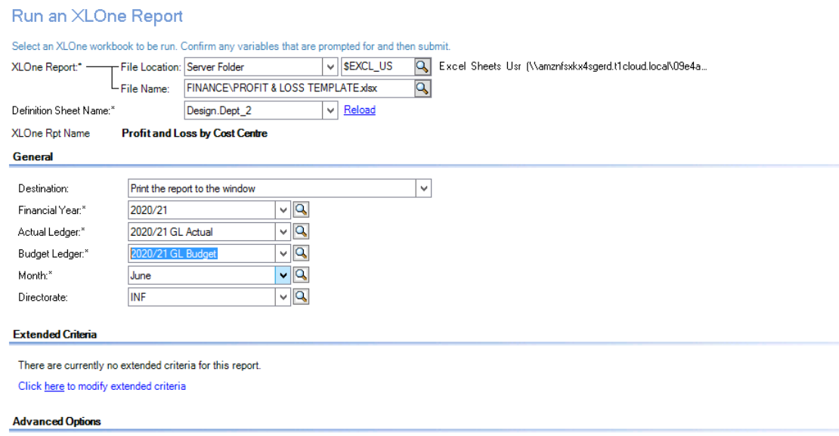

3 | Copy across tab from here

